Sheet1
Features
Image Features extracted from CNN model will be used as final features

Hyperparameter
Batch_size | 64
EPOCH | 5 to 10
Learning Rate | 0.0001, 0.001,0.01,0.1
Dropout | 0.3 to 0.5

 |  | Sample caption with Metrics | Prediction | Reference | BLEU score
 |  | 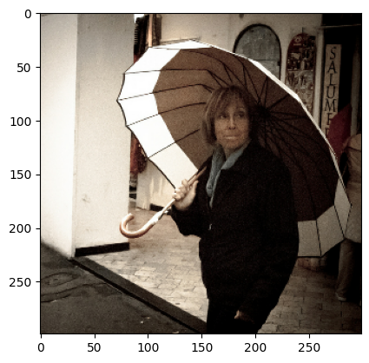 | a woman holding an umbrella in front of a building | a man is holding an umbrella that matches the building behind her a woman walking in the rain while carrying an umbrella a woman carries an umbrella and she walks down a street | 0.69853420566
 |  | 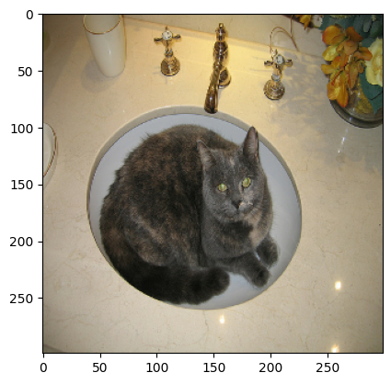 | a cat sitting in a bowl on a table | a gray cat laying in the bathroom sink a cat sitting in the sink of a bathroom an adult cat laying in a bathroom sink a gray cat sleeping inside of a glass bowl a cat is lying in the bathroom sink | 0.3549481056

